Mono records for Seriola spp
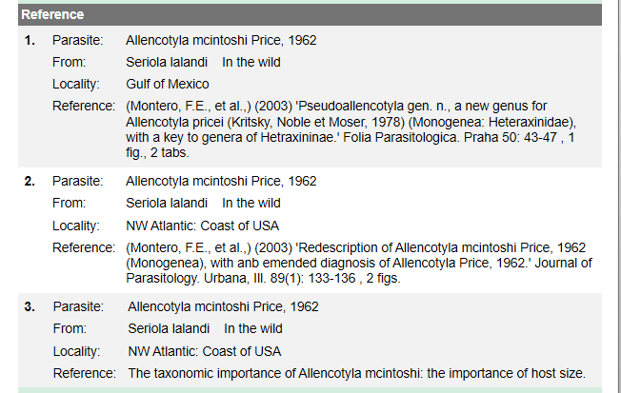
Parasite species | Family | Authority | Host species | Wild or farmed | Location | Specific location | Source
Allencotyla macintoshi | Heteraxinidae | Price 1962 | Seriola lalandi |  | Peruvian coast |  | Fishes parasitized by Monogenea in South America.
Allencotyla mcintoshi | Heteraxinidae | Price 1962 | Seriola lalandi
Benedenia seriolae | Capsalidae | (Yamaguti, 1934) | Seriola lalandi |  | New Zealand |  | Tubbs et al. 2005
Benedenia seriolae | Capsalidae | (Yamaguti, 1934) | Seriola lalandi |  | New Zealand |  | Sharp et al.
Benedenia seriolae | Capsalidae | (Yamaguti, 1934) | Seriola lalandi | farmed | Australia |  | Lackenby et al.
Benedenia seriolae | Capsalidae | (Yamaguti, 1934) | Seriola lalandi |  | Australia |  | Hutson et al.
Benedenia seriolae | Capsalidae | (Yamaguti, 1934) | Seriola lalandi | in the wild | Australia | NSW | (Whittington, I.D., Deveney, M.R. & Wyborn, S.J.,) (2001) 'A revision of Benedenia Diesing, 1858 including a redescription of B. sciaenae (van Beneden, 1856) Odher, 1905 and recognition of Menziesia Gibson, 1976 (Monogenea).' Journal of Natural History. London 35(5): 663-777 , 9 tabs, 41 fig
Benedenia seriolae | Capsalidae | (Yamaguti, 1934) | Seriola dumerili |  | Japan
Eurysorchis australis | Diclidophoridae | Manter & Walling, 1958 | Seriola lalandi |  | New Zealand |  | Import health risk analysis: salmonids for human consumption
Neobenedenia girellae | Capsalidae | (Hargis, 1955) | Seriola lalandi |  | Australia |  | Brazenor et al.
Neobenedenia girellae | Capsalidae | (Hargis, 1955) | Seriola lalandi | in captvity | Japan |  | (Ogawa, K., et al.,) (1995) 'Neobenedenia girellae (Hargis, 1955) Yamaguti, 1963 (Monogenea: Capsalidae) from cultured marine fishes of Japan.' Journal of Parasitology. Urbana, Ill. 81(2): 223-227 , 4 figs
Neobenedenia girellae | Capsalidae | (Hargis, 1955) | Seriola dumerili |  | Japan
Paramicrocotyloides reticularis | Microcotylidae | Rohde, 1978 | Seriola lalandi | in the wild | Australia | Queensland | (Lester, R.J.G. & Sewell, K.B.,) (1989) 'Checklist of parasites from Heron Island, Great Barrier Reef.' Australian Journal of Zoology 37(1): 101-128
Paramicrocotyloides reticularis | Microcotylidae | Rohde, 1979 | Seriola lalandi | in the wild | Australia | NSW | Hutson et al. 2007
Zeuxpta seriolae | Heteraxinidae | (Yamaguti, 1934) | Seriola lalandi |  | Australia |  | Hutson et al.
Zeuxpta seriolae | Heteraxinidae | (Meserve, 1938) | Seriola lalandi |  | Australia |  | Mooney et al.

